Sheet1
Customer Name:
Total: | $0.00
Gildan Soft-style T-Shirt | Sapphire | QTY | PRICE | Total | Hoodie | Charcoal | QTY | PRICE | Total
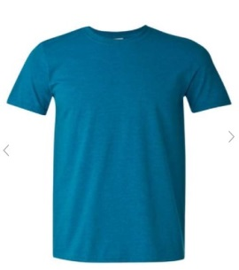
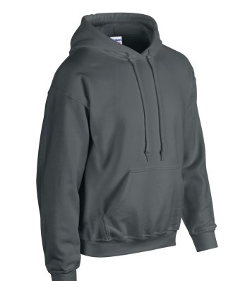
 | S | 0 | $15.00 | $0.00 |  | S | 0 | $35.00 | $0.00
 | M | 0 | $15.00 | $0.00 |  | M | 0 | $35.00 | $0.00
 | L | 0 | $15.00 | $0.00 |  | L | 0 | $35.00 | $0.00
 | XL | 0 | $15.00 | $0.00 |  | XL | 0 | $35.00 | $0.00
 | 2XL | 0 | $15.00 | $0.00 |  | 2XL | 0 | $35.00 | $0.00
 |  | 0 | $0.00 | $0.00 |  |  | 0 | $0.00 | $0.00
 |  | 0 | $0.00 | $0.00 |  |  | 0 | $0.00 | $0.00
 |  | 0 | $0.00 | $0.00 |  |  | 0 | $0.00 | $0.00
 |  | 0 |  | $0.00 |  |  | 0 |  | $0.00
T-SHIRT | Light Blue | QTY | PRICE | Total | Hoodie | Charcoal | QTY | PRICE | Total
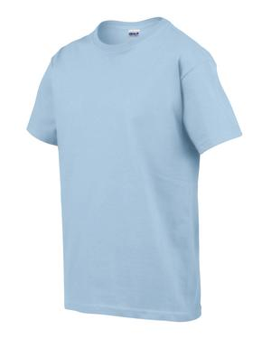
 | YS | 0 | $15.00 | $0.00 |  | YM | 0 | $35.00 | $0.00
 | M | 0 | $15.00 | $0.00 |  | YL | 0 | $35.00 | $0.00
 | L | 0 | $15.00 | $0.00 |  |  | 0 | $0.00 | $0.00
 | 2XL | 0 | $15.00 | $0.00 |  |  | 0 | $0.00 | $0.00
 |  | 0 | $0.00 | $0.00 |  |  | 0 | $0.00 | $0.00
 |  | 0 | $0.00 | $0.00 |  |  | 0 | $0.00 | $0.00
 |  | 0 | $0.00 | $0.00 |  |  | 0 | $0.00 | $0.00
 |  | 0 | $0.00 | $0.00 |  |  | 0 | $0.00 | $0.00
 |  | 0 |  | $0.00 |  |  | 0 |  | $0.00
STYLE 2 HEATHER CREWNECK | Red | QTY | PRICE | Total | Sweat Pants | Black | QTY | PRICE | Total
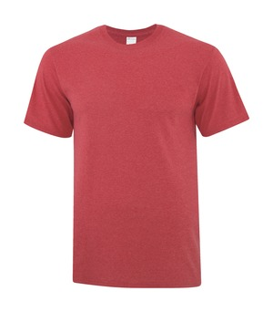
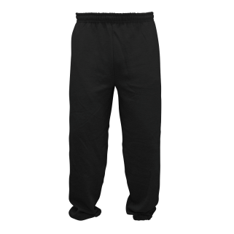
 | M | 0 | $15.00 | $0.00 |  | S | 0 | $15.00 | $0.00
 | L | 0 | $15.00 | $0.00 |  | M | 0 | $15.00 | $0.00
 | XL | 0 | $15.00 | $0.00 |  | L | 0 | $15.00 | $0.00
 |  | 0 | $0.00 | $0.00 |  | XL | 0 | $15.00 | $0.00
 |  | 0 | $0.00 | $0.00 |  | 2XL | 0 | $15.00 | $0.00
 |  | 0 | $0.00 | $0.00 |  |  | 0 | $0.00 | $0.00
 |  | 0 | $0.00 | $0.00 |  |  | 0 | $0.00 | $0.00
 |  | 0 | $0.00 | $0.00 |  |  | 0 | $0.00 | $0.00
 |  | 0 |  | $0.00 |  |  | 0 |  | $0.00
Navy T-Shirt | Navy | QTY | PRICE | Total |  |  | QTY | PRICE | Total
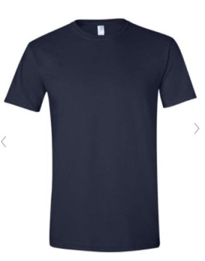
 | L | 0 | $15.00 | $0.00
 | XL | 0 | $15.00 | $0.00
 | 2XL | 0 | $15.00 | $0.00
 |  | 0 | $0.00 | $0.00
 |  | 0 | $0.00 | $0.00
 |  | 0 |  | $0.00

Please fill out 1 form for each item of clothing

 |  |  | Logos
*All Clothing comes with one of our PVBC logos plus a second optional logo*
Place a "1" in the spot you would like the logo
Orange or Black | 18cm | Spot |  |  | White | 18cm | Spot
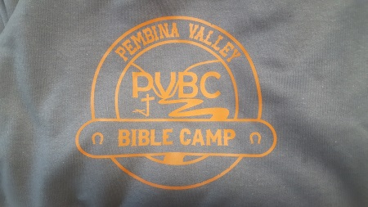
 | FC | 0 |  |  |  | FC | 0
 | B | 0 |  |  |  | B | 0
 |  | 0 |  |  |  |  | 0
 |  | 0 |  |  |  |  | 0
 |  | 0 |  |  |  |  | 0
 |  | 0 |  |  |  |  | 0
 |  | 0 |  |  |  |  | 0
*Black out of stock*
Black/White | 24cm | Spot |  |  | Black/White or Orange | 7cm | Spot
 | FC | 0 |  |  |  | FL | 0
 | B | 0 |  |  |  | FR | 0
 |  | 0 |  |  |  | B | 0
 |  | 0 |  |  |  | RS | 0
 |  | 0 |  |  |  | LS | 0
 |  | 0 |  |  |  | LP | 0
 |  | 0 |  |  |  | RP | 0
 |  |  |  |  |  |  | 0
 |  |  |  |  |  |  | 0
 |  |  |  |  |  |  | 0
Black/White/Green | 30cm | Spot |  |  | Black/White | 32cm | Spot
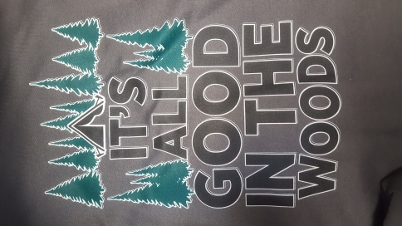
 | FC | 0 |  |  |  | LP | 0
 | B | 0 |  |  |  | RP | 0
 |  | 0 |  |  |  |  | 0
 |  | 0 |  |  |  |  | 0
 |  | 0 |  |  |  |  | 0
 |  | 0 |  |  |  |  | 0
 |  | 0 |  |  |  |  | 0

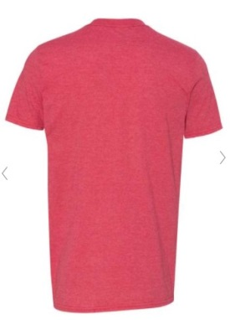
*Out of stock*

Legend:
FL: Front Left (Top)
FR: Front Right (Top)
FC: Front Centre
B: Back
RS: Right Sleeve
LS: Left Sleeve
LP: Left Pantleg |  |  |  |  | Additional Comments:
RP: Right Pantleg
...

